Quotation
 |  | Dealer | S M SOLUTION, NAGPUR
 |  | Address | DATTA NIWAS, ZENDA CHOWK,DHARAMPETH ,NAGPUR, Nagpur, Maharashtra, India - 440010
 |  | Phone
 |  | e-mail | manishmw@gmail.com
Quotation
Customer | UTSAVI SHAH |  |  | Design Ref
Address | CHATTISGADH |  |  | 0008367 - 0028039
 |  |  |  | Revision
Mobile | 0 | Land line | 0 | R0
e-mail | 0

Sl.no. | Description | Cabinet | Shutter | Image | Qty

X01 | BASE UNIT WITH 2 SHUTTER AND 1 REMOVABLE SHELF (LEFT EXPOSED) 817W x 560D x 720H LEG - 100 MM | 18MM HMR HDF (SUPERTUFF) NON-ASSEMBLED KINGSTON WHITE | 18MM HMR HDF PVC FOILED REGULAR GLOSSY RANGE - PLAIN 2R EDGE PROFILE EDGE PROFILE-H-33 / EDGE PROFILE-H-33 / H.G. WHITE / KINGSTON WHITE, EDGE PROFILE-H-33 / EDGE PROFILE-H-33 / H.G. WHITE / KINGSTON WHITE, | 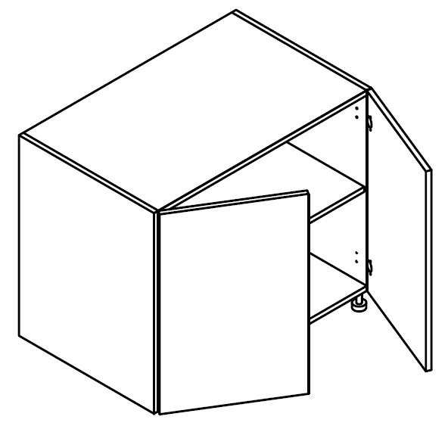 | 1
X02 | BASE FILLER IN FRONT FINISH 100W x 560D x 720H |  | 18MM HMR HDF PVC FOILED REGULAR GLOSSY RANGE - PLAIN 2R EDGE PROFILE EDGE PROFILE-H-33 / EDGE PROFILE-H-33 / H.G. WHITE / KINGSTON WHITE, |  | 1
X03 | BASE FILLER IN FRONT FINISH 100W x 560D x 720H |  | 18MM HMR HDF PVC FOILED REGULAR GLOSSY RANGE - PLAIN 2R EDGE PROFILE EDGE PROFILE-H-33 / EDGE PROFILE-H-33 / H.G. WHITE / KINGSTON WHITE, |  | 1
X04 | BASE FILLER IN FRONT FINISH 100W x 560D x 720H |  | 18MM HMR HDF PVC FOILED REGULAR GLOSSY RANGE - PLAIN 2R EDGE PROFILE EDGE PROFILE-H-33 / PLAIN / H.G. WHITE / KINGSTON WHITE, |  | 1
X05 | BASE FILLER IN FRONT FINISH 100W x 560D x 720H |  | 18MM HMR HDF PVC FOILED REGULAR GLOSSY RANGE - PLAIN 2R EDGE PROFILE EDGE PROFILE-H-33 / PLAIN / H.G. WHITE / KINGSTON WHITE, |  | 1
X06 | BASE FILLER IN FRONT FINISH 100W x 560D x 720H |  | 18MM HMR HDF PVC FOILED REGULAR GLOSSY RANGE - PLAIN 2R EDGE PROFILE EDGE PROFILE-H-33 / PLAIN / H.G. WHITE / KINGSTON WHITE, |  | 1
X07 | SPECIAL 36MM BOTH SIDE COLOURED PANEL 450W x 824D x 36H | 36mm Standard Range PVC membrane foil MDF PANEL | URBAN WALNUT |  | 1
X08 | SPECIAL 36MM BOTH SIDE COLOURED PANEL 450W x 1100D x 36H | 36mm Standard Range PVC membrane foil MDF PANEL | URBAN WALNUT |  | 1
X09 | BOTTOM PROFILE WALL UNIT WITH 1 SHUTTER AND 1 REMOVABLE SHELF - LHS 467W x 320D x 600H | 18MM HMR HDF (SUPERTUFF) NON-ASSEMBLED KINGSTON WHITE | 18MM HMR HDF PVC FOILED REGULAR GLOSSY RANGE - PLAIN 2R EDGE PROFILE PLAIN / PLAIN / H.G. WHITE / KINGSTON WHITE, | 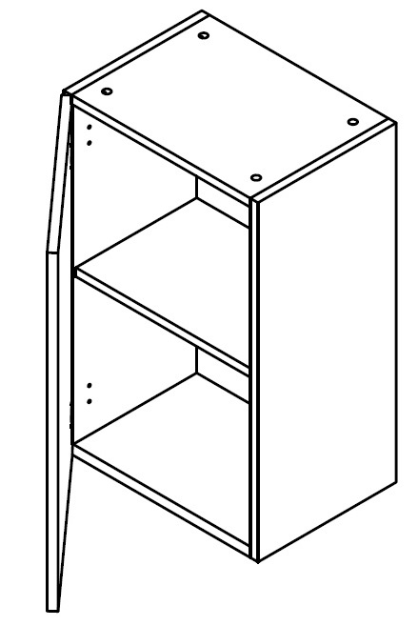 | 1
X10 | BOTTOM PROFILE WALL UNIT WITH 1 SHUTTER AND 1 REMOVABLE SHELF - RHS 467W x 320D x 600H | 18MM HMR HDF (SUPERTUFF) NON-ASSEMBLED KINGSTON WHITE | 18MM HMR HDF PVC FOILED REGULAR GLOSSY RANGE - PLAIN 2R EDGE PROFILE PLAIN / PLAIN / H.G. WHITE / KINGSTON WHITE, | 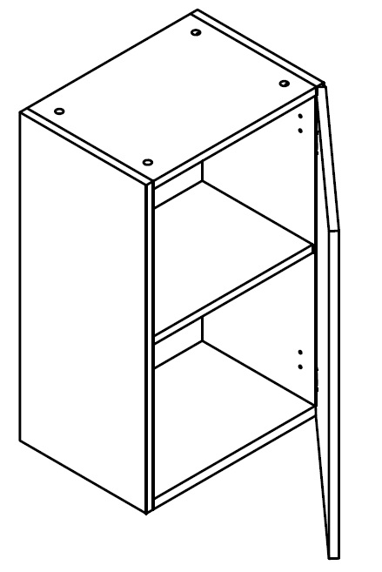 | 1
X11 | BOTTOM PROFILE WALL UNIT WITH 2 SHUTTER AND 1 REMOVABLE SHELF 785W x 320D x 600H | 18MM HMR HDF (SUPERTUFF) NON-ASSEMBLED KINGSTON WHITE | 18MM HMR HDF PVC FOILED REGULAR GLOSSY RANGE - PLAIN 2R EDGE PROFILE PLAIN / PLAIN / H.G. WHITE / KINGSTON WHITE, PLAIN / PLAIN / H.G. WHITE / KINGSTON WHITE, | 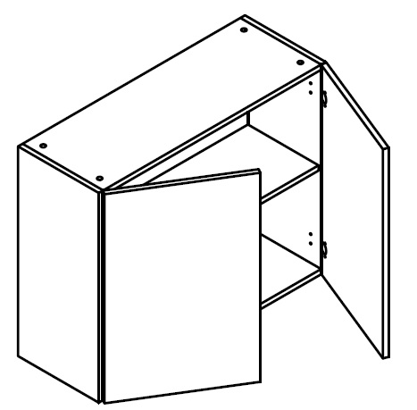 | 1
X12 | BOTTOM PROFILE WALL UNIT WITH 1 FRAMED GLASS SHUTTER AND 1 REMOVABLE GLASS SHELF - RHS 558W x 320D x 600H | 18MM HMR HDF (SUPERTUFF) NON-ASSEMBLED KINGSTON WHITE | 18MM HMR HDF PVC FOILED REGULAR GLOSSY RANGE - PLAIN 2R EDGE PROFILE PLAIN / PLAIN / H.G. WHITE / KINGSTON WHITE, | 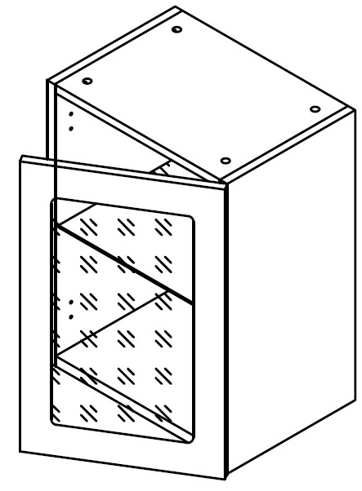 | 1
X13 | BOTTOM PROFILE WALL UNIT WITH 1 FRAMED GLASS SHUTTER AND 1 REMOVABLE GLASS SHELF - LHS 558W x 320D x 600H | 18MM HMR HDF (SUPERTUFF) NON-ASSEMBLED KINGSTON WHITE | 18MM HMR HDF PVC FOILED REGULAR GLOSSY RANGE - PLAIN 2R EDGE PROFILE PLAIN / PLAIN / H.G. WHITE / KINGSTON WHITE, | 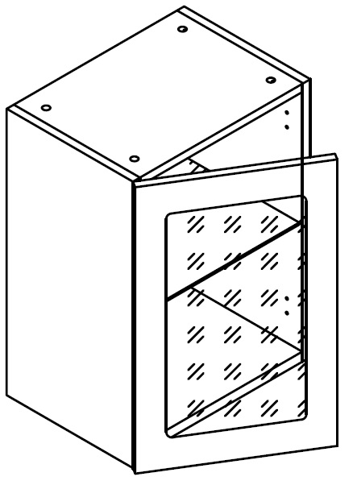 | 1
X14 | BOTTOM PROFILE WALL UNIT WITH 2 FRAMED GLASS SHUTTER AND 1 REMOVABLE GLASS SHELF 818W x 320D x 600H | 18MM HMR HDF (SUPERTUFF) NON-ASSEMBLED KINGSTON WHITE | 18MM HMR HDF PVC FOILED REGULAR GLOSSY RANGE - PLAIN 2R EDGE PROFILE PLAIN / PLAIN / H.G. WHITE / KINGSTON WHITE, PLAIN / PLAIN / H.G. WHITE / KINGSTON WHITE, | 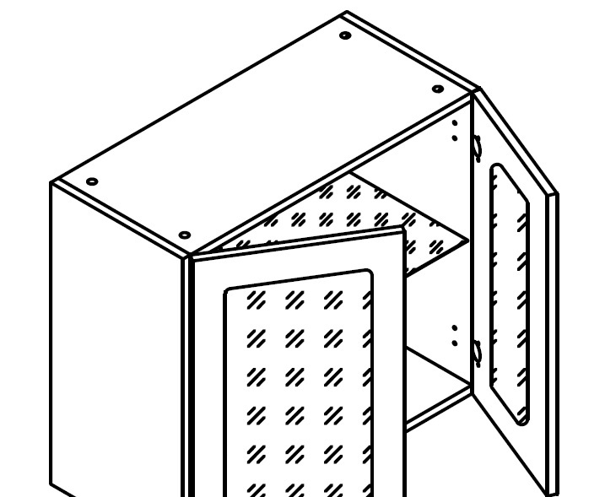 | 1
X15 | BOTTOM PROFILE WALL UNIT WITH 2 FRAMED GLASS SHUTTER AND 1 REMOVABLE GLASS SHELF 817W x 320D x 600H | 18MM HMR HDF (SUPERTUFF) NON-ASSEMBLED KINGSTON WHITE | 18MM HMR HDF PVC FOILED REGULAR GLOSSY RANGE - PLAIN 2R EDGE PROFILE PLAIN / PLAIN / H.G. WHITE / KINGSTON WHITE, PLAIN / PLAIN / H.G. WHITE / KINGSTON WHITE, |  | 1
X16 | BOTTOM PROFILE WALL UNIT WITH 1 FRAMED GLASS SHUTTER AND 1 REMOVABLE GLASS SHELF - LHS (LEFT EXPOSED) 450W x 320D x 600H | 18MM HMR HDF (SUPERTUFF) NON-ASSEMBLED KINGSTON WHITE | 18MM HMR HDF PVC FOILED REGULAR GLOSSY RANGE - PLAIN 2R EDGE PROFILE PLAIN / PLAIN / H.G. WHITE / KINGSTON WHITE, |  | 1
X17 | WALL OPEN UNIT WITH 1 REMOVABLE SHELF - BOTH SIDE MATCHING 600W x 320D x 600H | 18MM HMR HDF (SUPERTUFF) NON-ASSEMBLED URBAN WALNUT |  | 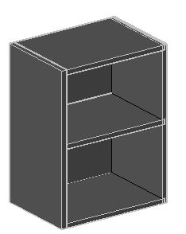 | 1
X18 | PULL OUT DRAWER WITH COMFORT RACKS LEFT SIDED GUIDE RAIL 300W x 560D x 720H NO ACCESSORY LEG - 100 MM | 18MM HMR HDF (SUPERTUFF) NON-ASSEMBLED KINGSTON WHITE | 18MM HMR HDF PVC FOILED REGULAR GLOSSY RANGE - PLAIN 2R EDGE PROFILE EDGE PROFILE-H-33 / EDGE PROFILE-H-33 / H.G. WHITE / KINGSTON WHITE, | 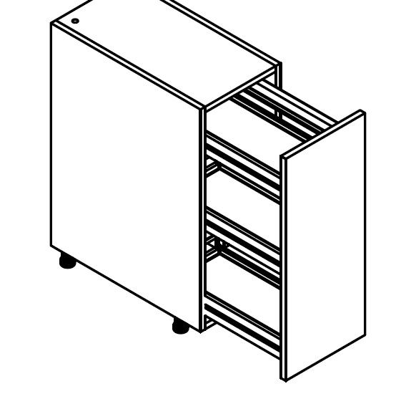 | 1
X19 | BASE OPEN UNIT WITH 2 WICKER BASKET 600W x 560D x 720H ADD-ON WICKER BASKET FOR 600MM LEG - 100 MM | 18MM HMR HDF (SUPERTUFF) NON-ASSEMBLED URBAN WALNUT |  |  | 1
X20 | DRAWER UNIT WITH 2 LARGE DRAWERS OF EQUAL SIZE. DRAWERS FITTED WITH SOFT CLOSE MECHANISM 818W x 560D x 720H LEG - 100 MM | 18MM HMR HDF (SUPERTUFF) NON-ASSEMBLED KINGSTON WHITE | 18MM HMR HDF PVC FOILED REGULAR GLOSSY RANGE - PLAIN 2R EDGE PROFILE EDGE PROFILE-H-33 / EDGE PROFILE-H-33 / H.G. WHITE / KINGSTON WHITE, EDGE PROFILE-H-33 / EDGE PROFILE-H-33 / H.G. WHITE / KINGSTON WHITE, | 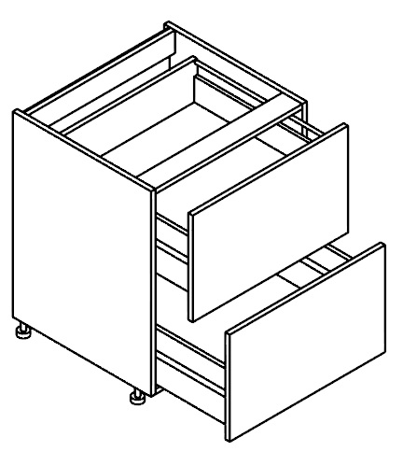 | 1
X21 | CORNER BASE UNIT WITH 1 SHELF AND 1 SHUTTER. ONE SIDE BLIND - RBD 900W x 560D x 720H LEG - 100 MM | 18MM HMR HDF (SUPERTUFF) NON-ASSEMBLED KINGSTON WHITE | 18MM HMR HDF PVC FOILED REGULAR GLOSSY RANGE - PLAIN 2R EDGE PROFILE EDGE PROFILE-H-33 / EDGE PROFILE-H-33 / H.G. WHITE / KINGSTON WHITE, |  | 1
X22 | SINK UNIT WITH 2 SHUTTER. NO SHELF. WITH ALUMINIUM COVER TO PROTECT CABINET FORM SPILLING LIQUIDS. (RIGHT EXPOSED) 800W x 560D x 720H LEG - 100 MM | 18MM HMR HDF (SUPERTUFF) NON-ASSEMBLED KINGSTON WHITE | 18MM HMR HDF PVC FOILED REGULAR GLOSSY RANGE - PLAIN 2R EDGE PROFILE EDGE PROFILE-H-33 / EDGE PROFILE-H-33 / H.G. WHITE / KINGSTON WHITE, EDGE PROFILE-H-33 / EDGE PROFILE-H-33 / H.G. WHITE / KINGSTON WHITE, | 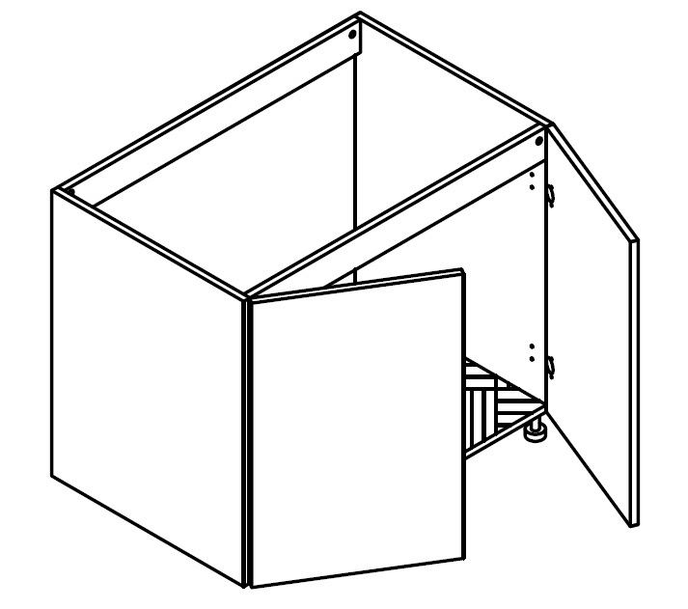 | 1
X23 | DRAWER UNIT WITH 2 LARGE DRAWERS OF EQUAL SIZE. DRAWERS FITTED WITH SOFT CLOSE MECHANISM 785W x 560D x 720H | 18MM HMR HDF (SUPERTUFF) NON-ASSEMBLED KINGSTON WHITE | 18MM HMR HDF PVC FOILED REGULAR GLOSSY RANGE - PLAIN 2R EDGE PROFILE EDGE PROFILE-H-33 / EDGE PROFILE-H-33 / H.G. WHITE / KINGSTON WHITE, EDGE PROFILE-H-33 / EDGE PROFILE-H-33 / H.G. WHITE / KINGSTON WHITE, |  | 1
X24 | CORNER BASE UNIT WITH 2 SHUTTER. BOTH SHUTTERS OPEN TOGETHER 900W x 560D x 720H LEG - 100 MM | 18MM HMR HDF (SUPERTUFF) NON-ASSEMBLED KINGSTON WHITE | 18MM HMR HDF PVC FOILED REGULAR GLOSSY RANGE - PLAIN 2R EDGE PROFILE EDGE PROFILE-H-33 / EDGE PROFILE-H-33 / H.G. WHITE / KINGSTON WHITE, EDGE PROFILE-H-33 / EDGE PROFILE-H-33 / H.G. WHITE / KINGSTON WHITE, |  | 1
X25 | DRAWER UNIT WITH 2 MEDIUM AND 1 LARGE DRAWER. DRAWER FITTED WITH SOFT CLOSE MECHANISM 900W x 560D x 720H LEG - 100 MM | 18MM HMR HDF (SUPERTUFF) NON-ASSEMBLED KINGSTON WHITE | 18MM HMR HDF PVC FOILED REGULAR GLOSSY RANGE - PLAIN 2R EDGE PROFILE EDGE PROFILE-H-33 / EDGE PROFILE-H-33 / H.G. WHITE / KINGSTON WHITE, EDGE PROFILE-H-33 / EDGE PROFILE-H-33 / H.G. WHITE / KINGSTON WHITE, EDGE PROFILE-H-33 / EDGE PROFILE-H-33 / H.G. WHITE / KINGSTON WHITE, | 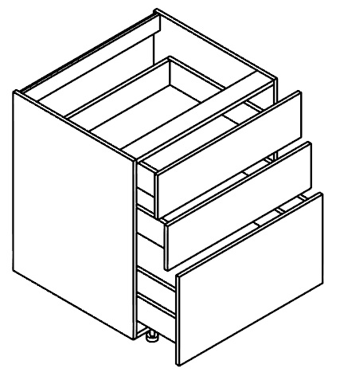 | 1
1 | PVC EXTRUDED SKIRTING - 100MM - SILVER 1000WX100H | Skirting | Silver |  | 20
Total |  |  |  |  | 302,130.00
Grand Total |  |  |  |  | 302,130.00

Terms and conditions as applicable to this Quotation
1. Delivery : At Customer Site
2. Delivery Schedule : 6 - 8-Weeks
3. Freight : Included
4. Duty / Taxes : Included
5. Octroi/Entry Tax : To Customer's Account if Applicable
6. Installation : Included
7. Prices validity period : 30 Days From Date of Issue
8. Payment Terms : 15 % advance along with order confirmation, 35% prior to production and balance 50 % before dispatch of material.
9. Insurance, if any : To Company's Account
10. Bank Details :
 | BANK NAME : #[DealerBankName]#
 | BRANCH : #[DealerBankBranch]#
 | ACCOUNT NO : #[DealerBankAccount]#
 | IFSC CODE : #[DealerBankIFSC]#
11. Interest on overdue payment : Interest @18% p.a. shall be payable by customer on overdue payments
12. Price Escalation : Company reserves right to escalate price if delivery of confirmed order is defferd by customer beyond 1 month of accepted delivery schedule
13. Demmurage / warehousing charges : Demmurage / warehousing charges @ 18% p.a. shall be payable by the customer for non acceeptance/deferment of delivery of material ready for despatch beyond 8 days of inimation by company

14.Cheque Dishonoured : A minimum charge of RS. 1000/ will be payable by the customer for every such cheque bounce case
15.Disputes & Claims : Subject to Nagpur(Maharashtra) jurisdiction only
16.Warranty : As per Company policy.(Refer warranty card)
17.Cancellation and Refund : Cancellation of order placed will not be accepted if the material is already manufactured. Designing charges will not be refunded in any case
18.Exclusion : This quote doesn’t includes cost of worktop, appliances, sink, faucet, lighting, civil, electrical or masonry works. Gas piping, plumbing, Electrical works etc. needs to be done by the party according to the final design before installation.
19.Service Charges : The price as above includes service charges toward designing and Consultancy @ 15% and Installation & handling @ 15%
Goods and Service Tax (GST) : GST shall be charged as per the rate applicable on all clearances from the effective date as shall be notified by the Government of India3

Issued By | Approved By |  |  | Read and Accepted By
 |  |  |  | Name and Signature

